Sheet1
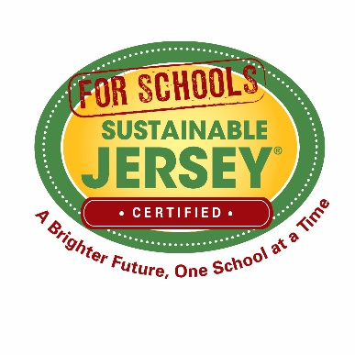
Sustainable Jersey for Schools Grants Program
Budget Template

Matching or in-kind contributions are encouraged, but not required. If the proposed project will be 100% funded by the grant, do not enter anything in the Other Funding Sources column. If other funding will be used to complete the project in conjunction with the grant, please identify the amount in the Other Funding Source column and identify the source of the additional funding, if it has been secured, and any other details deemed necessary to include in the Budget Narrative. Other sources of funding can include district funding, other grant funds, or in-kind contributions such as non-cash donations, staff time, and volunteer time. It is advisable to quantify any in-kind contributions. Tthe Blue Ribbon Selection Committee looks favorably on budgets that make the best use of available, low-cost resources and show support from the school community and other stakeholders. In order to upload your budget to the grant application, you must convert the excel document into a PDF. Please make sure that the rows and columns in the PDF are not cut off due to page breaks. To ensure this, select the "fit to paper width" option when saving as a PDF.

A. SALARIES, WAGES, STIPENDS, AND FRINGE BENEFITS
Name | Title | Hours/Rate | Sustainable Jersey for Schools Grant Funds | Other Funding Sources | Total Cost
 |  |  |  |  | $-
 |  |  |  |  | $-
 |  |  |  |  | $-
 |  | Total Salaries | $- | $- | $-

B. SUBCONTRACTORS/CONSULTANT COSTS
Subcontractor/Consultant | Role in Project | Period of Performance | Sustainable Jersey for Schools Grant Funds | Other Funding Sources | Total Cost
 |  |  |  |  | $-
 |  |  |  |  | $-
 |  |  |  |  | $-
 | Total Subcontractor/Consultant Cost |  | $- | $- | $-

C. ITEMIZED EQUIPMENT
Item | Unit Cost | Quantity | Sustainable Jersey for Schools Grant Funds | Other Funding Sources | Total Cost
 |  |  |  |  | $-
 |  |  |  |  | $-
 |  |  |  |  | $-
 | Total Equipment Cost |  | $- | $- | $-

D. ITEMIZED SUPPLIES
Item | Unit Cost | Quantity | Sustainable Jersey for Schools Grant Funds | Other Funding Sources | Total Cost
 |  |  |  |  | $-
 |  |  |  |  | $-
 |  |  |  |  | $-
 | Total Cost of Supplies |  | $- | $- | $-

E. OTHER ITEMIZED EXPENSES
Item | Justification | Quantity | Sustainable Jersey for Schools Grant Funds | Other Funding Sources | Total Cost
 |  |  |  |  | $-
 |  |  |  |  | $-
 |  |  |  |  | $-
 | Total Other Expenses |  | $- | $- | $-

 | TOTAL PROPOSED BUDGET |  | $- | $- | $-

